Income
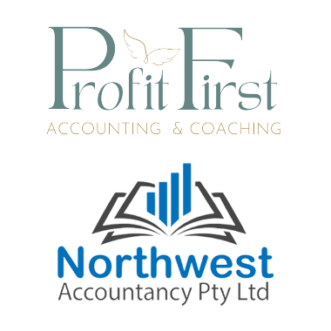
Your Income

Please ensure we have all of your income for the tax return.

The ATO provides the following in your pre-fill report. You will be required to check what the ATO has against your actual income.
 | Payment Summary (Wages summary)
 | Interest earned on bank accounts
 | Dividends from shares
 | Employee Shares (value received)
 | Managed Fund income * note - the costs for managing the fund are generally not included - please provide statement so we can check

You will need to provide
 | Rental Income & Expenses (see separate worksheet)
 | Foreign Income - such as dividends, interest, pensions, etc
 | Business Income & Expenses
 | Any royalties or payments

