RIO
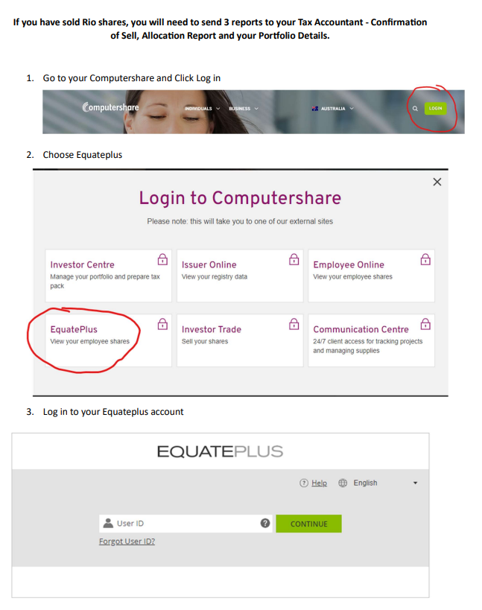
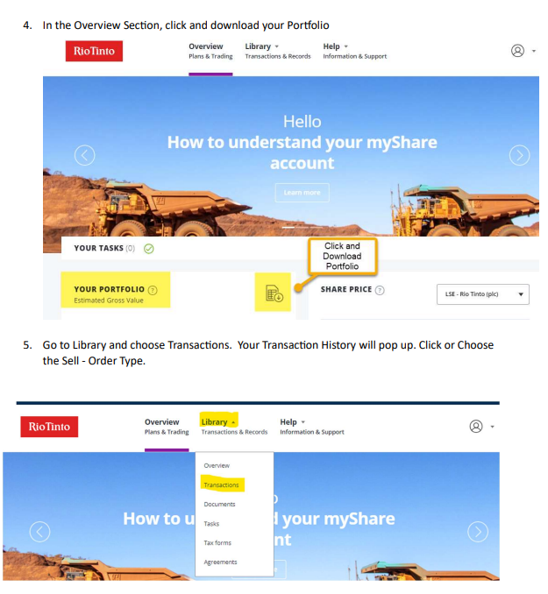
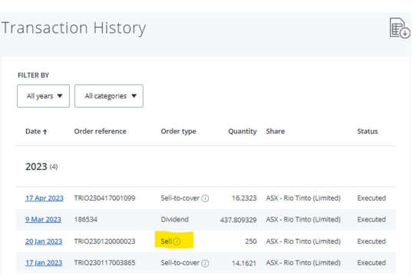
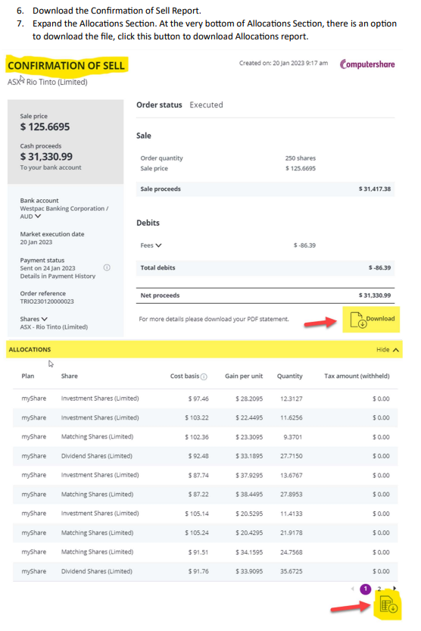
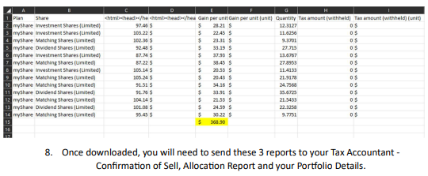
If you own Rio Tinto Employee Shares, we will need you to download a number of documents so we can calculate your capital gains.
Please follow these instructions:

https://www-uk.computershare.com/Employee/Login/CompanyIntroduction.aspx?lang=en&issuerid=SCUKRIOU&cc=UK

You need your SRN & PIN to login.

Click on these tabs: Transaction history (export to excel)

Contributions (export to excel)

Correspondence: get the Plan Member Tax Statement (Employee Share Scheme Statement) for each year.

All the required data for the share sale can be found on Plan Contract Note document in Correspondence section.

STEPS:

